Cover Page
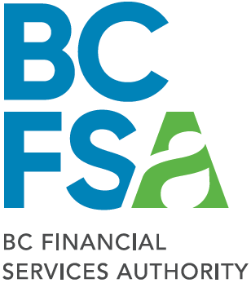

 |  | Reporting Template:
 |  | Brokerage Financial Information

 |  | Real Estate Brokerage
 |  | March 2023

600 - 750 West Pender Street | Classification: Protected B | Telephone: (604) 660-3555
Vancouver, BC |  | Toll-free: (866) 206-3030
V6C 2T8 |  | www.bcfsa.ca

